Welcome


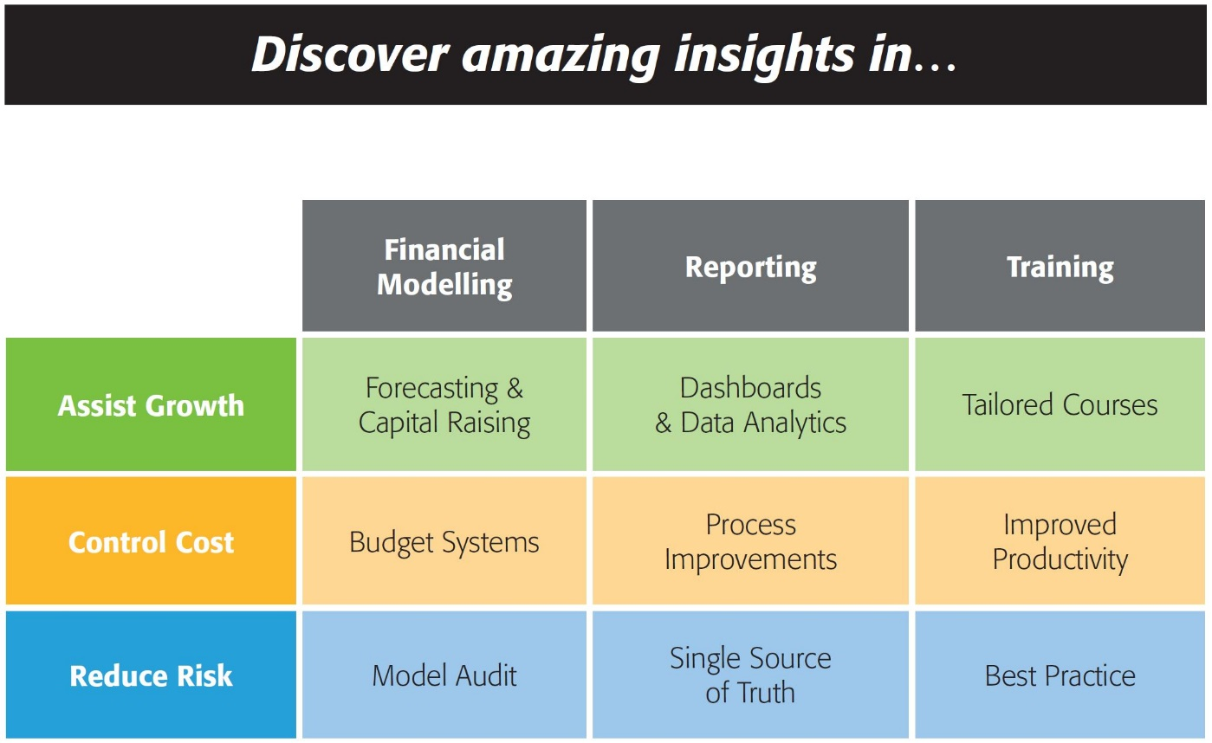

143/580 Hay St
Perth WA 6000
Australia
Ph: +61 8 6210 8500
www.accessanalytic.com.au

Power Query Challenge
by Wyn Hopkins
Director, Access Analytic accessanalytic.com.au

